VOORBLAD
 |  |  |  |  | 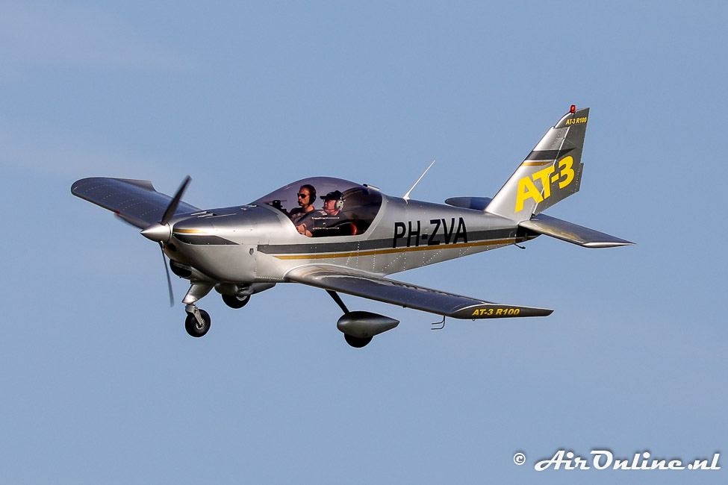 |  | .
Weight & Balance calculation PH-ZVA Version 17-2-2017, V1
PIC: |  | today: | 16-Feb-17 | Based on weighing report date: 13-6-2014 (Reg. HB-SFN)

 | MASS | ARM |  | Based on POH chapter 6, Aero AT-3 R100
 | kg | m
Left front seat, 34"-46" * (37 mostly used ) | 75 | 0.60
Right front seat, 34"-46" * (37 mostly used ) | 75 | 0.60 |  |  |  |  |  | -21.31 | over/underload lbs

Baggage station starboard | 2 | 1.125 |  |  | 20 kg max | together max 30 kg |  |  | Max TO
Baggage station port | 0 | 1.125 |  |  | 10 kg max |  |  |  | max baggage weight station 2
Baggage weight together | 2 |  |  |  |  | -559 |  | 560.69 | max baggage weight station 1

 | Liter |  | total endurance in hr if: |  | 16 | Liter/hr |  | 582
Fuel tanked (max. 65 liter) | 65 |  |  | 3.8 | hr |  |  | 10
Extra available Take Off loading | 21 | kg | Fill in the fuel consumption you expect for indication of the achievable endurance |  |  |  |  | 20

 | Liter
trip fuel | 16
landing mass | 549 | kg

In flight moment progression PH-ZVA
 | NORMAL |  |  |  | TRIP FUEL |  | ALTERNATE & RESERVE FUEL
83.027 | 409 |  |  | 176.31 | 549.23 | 184.60 | 517.00
97.44 | 480 |  |  | 173.37 | 560.69 | 176.31 | 549.23
155.394 | 582
229.308 | 582
161.146 | 409
 |  |  |  | Fill in the thin-green fields, and stay within the POH limits. This document provides supportive guidelines for weight and balance calculations, make sure you use and follow the current POH issue. This document is subject to change without notice! You may use this spreadsheet on your own responsibility & risk.

