VOORBLAD
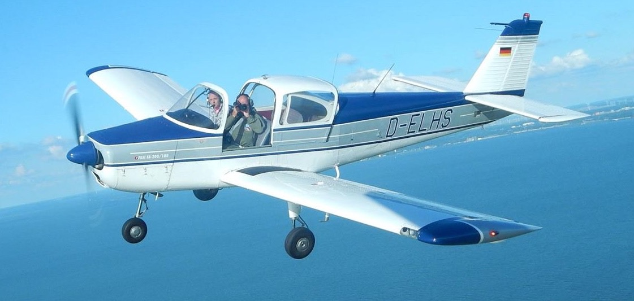
Weight&Balance calculation D-ELHS Version 08-08-2016, V1
PIC: |  | today: | 8-Aug-16 | Basic empty weight, report dd: 03-08-2009

 | MASS | ARM |  | Based on POH Fuji FA-200-180
 | kg | cm
Captains seat | 100 | 47
Co-pilots seat | 85 | 46
Aft seat | 100 | 73
Aft seat |  | 73

Baggage, shelf | 0 | 95 | 20 kg max
Baggage, behind the door | 2 | 123 | 80 kg max

 | USG | liter | total endurance in hr if: |  | 8 | USG/hr
Fuel tanked (52 USG max)(=198 liter) | 52 | 198 |  | 6.4 | hr
Extra available Take Off loading | 0 | kg | Fill in the fuel consumption you expect for indication of the achievable endurance

 | USG | liter
trip fuel | 15 | 57
landing mass | 1109 | kg

W&B development during flight D-ELHS
 | NORMAL |  | UTILITY |  | AEROBATICS |  | TRIP FUEL |  | ALTERNATE & RESERVE FUEL
236.3978 | 816.47464393 | 246.6086 | 1099.9727842 | 237.7948 | 940.76022861 | 252.56 | 1108.86 | 253.84 | 1010.88 | 236.4 | 816.5
236.3978 | 914.90519822 | 258.4958 | 1099.9727842 | 247.904 | 940.76022861 | 252.08 | 1149.68 | 252.56 | 1108.86 | 263.1 | 816.5
249.4026 | 1149.8684569 | 258.4958 | 816.47464393 | 247.904 | 816.47464393
263.0932 | 1149.8684569
263.0932 | 816.47464393
 |  |  |  | Fill in the thin-green fields, and stay within the POH limits. This document provides supportive guidelines for weight and balance calculations, make sure you use and follow the current POH issue. This document is subject to change without notice! You may use this spreadsheet on your own responsibility & risk. This document provides supportive guidelines for weight and balance calculations, make sure you use and follow the current POH issue. This document is subject to change without notice! You may use this spreadsheet on your own responsibility & risk.

