VOORBLAD
 |  |  |  |  | 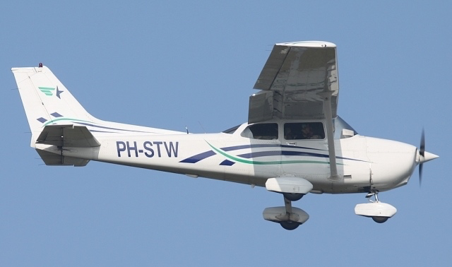
Weight&Balance calculation PH-STW Version 14-05-2016, V7
PIC: |  | today: | 6-Jun-16 | Based on weighing report date: 18-06-2014

 | MASS | ARM |  | Based on POH chapter 6, Cessna 172R
 | kg | inch
Left front seat, 34"-46" * (37 mostly used ) | 80 | 37 | *fill in the used arm!
Right front seat, 34"-46" * (37 mostly used ) | 80 | 37 | *fill in the used arm! |  |  |  | -7.3489168103 | over/underload lbs
Aft seat | 80 | 73 |  |  |  |  | -3.3334467977 | over/underload kg
Aft seat | 0 | 73 |  |  |  |  | 2433.798578 | caclutated TO mass

Baggage station 1, 82"-108" * mostly used 95" | 4 | 95 | *fill in the used arm! |  | 54 kg max | together max 54 kg! | 2450 | Max TO
Baggage station 2, 108"-142" * mostly used 123" | 0 | 123 | *fill in the used arm! |  | 22 kg max |  | 22.67985122 | max baggage weight station 2
Baggage weight together | 4 |  |  |  |  | -50 | 54.431642928 | max baggage weight station 1

 | USG | liter | total endurance in hr if: |  | 9 | USG/hr
Fuel tanked (53 USG max)(=201 liter) | 35 | 133 |  | 3.8 | hr
Extra available Take Off loading | 7 | kg | Fill in the fuel consumption you expect for indication of the achievable endurance

 | USG | liter
trip fuel | 15 | 57
landing mass | 2344 | lbs | 1063 | kg

W&B development during flight PH-STW
 | NORMAL |  | UTILITY |  | TRIP FUEL |  | ALTERNATE & RESERVE FUEL
35 | 1500 | 36.5 | 2100 | 41.91 | 2343.80 | 41.60 | 2229.80
35 | 1950 | 40.5 | 2100 | 42.14 | 2433.80 | 41.91 | 2343.80
40 | 2450 | 40.5 | 1500
47.4 | 2450
47.4 | 1500
 |  |  |  | Fill in the thin-green fields, and stay within the POH limits. This document provides supportive guidelines for weight and balance calculations, make sure you use and follow the current POH issue. This document is subject to change without notice! You may use this spreadsheet on your own responsibility & risk.

